Test Scripts
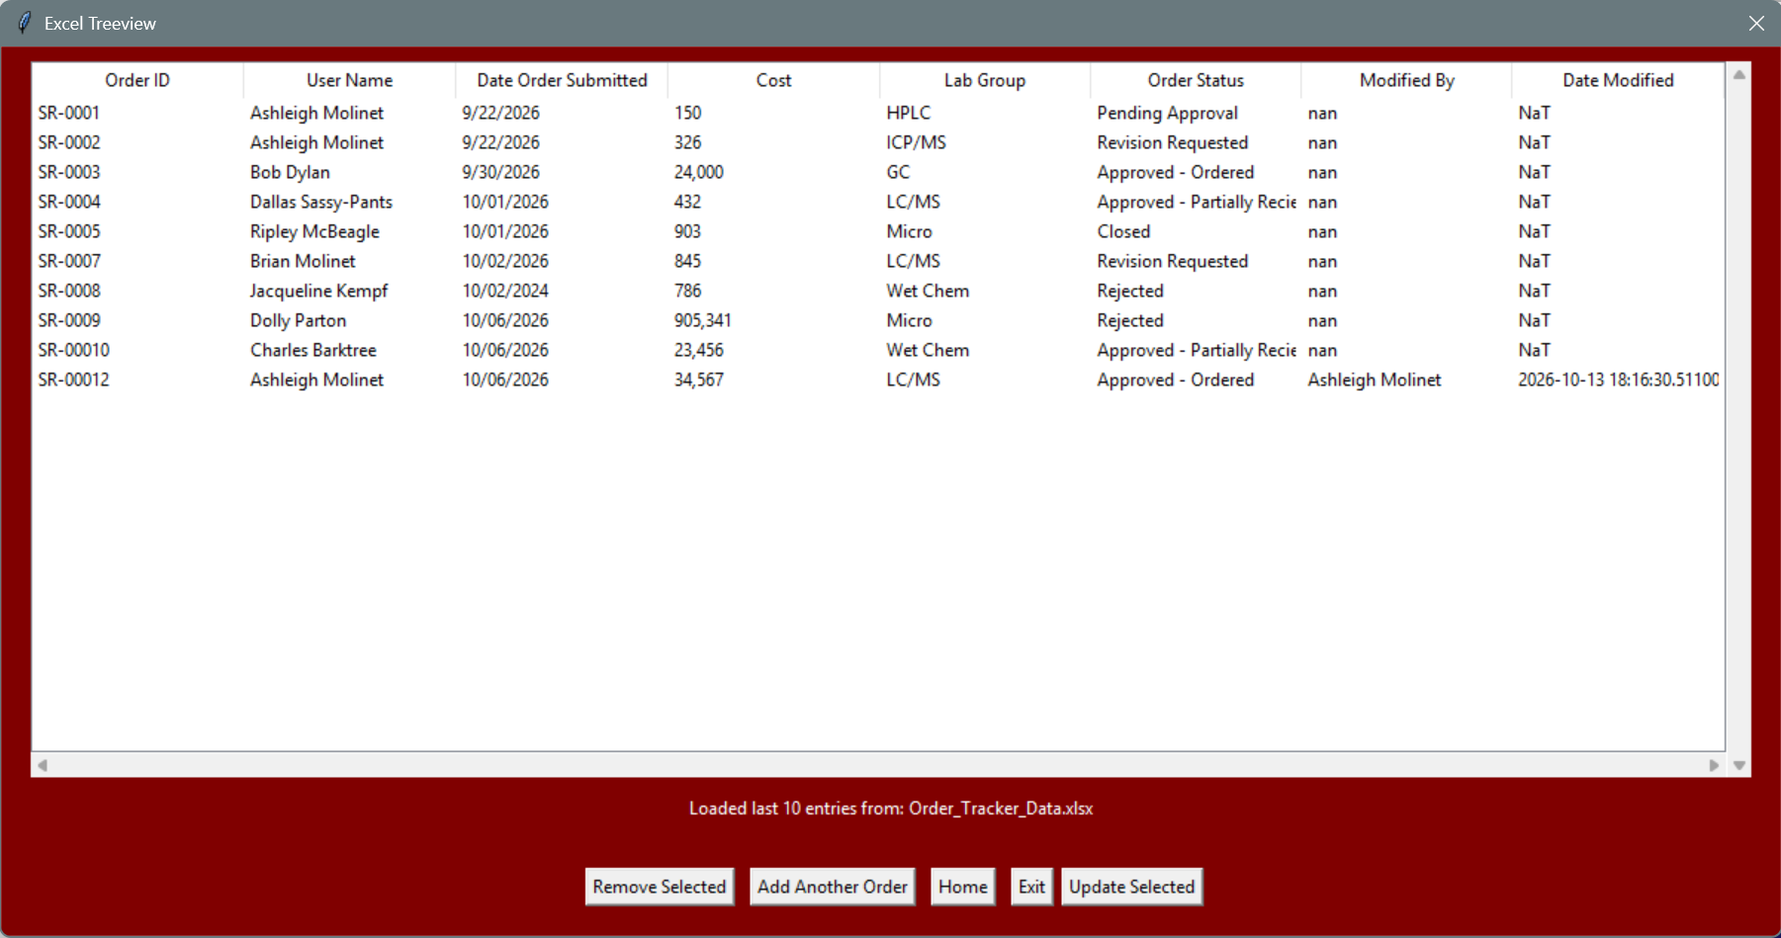
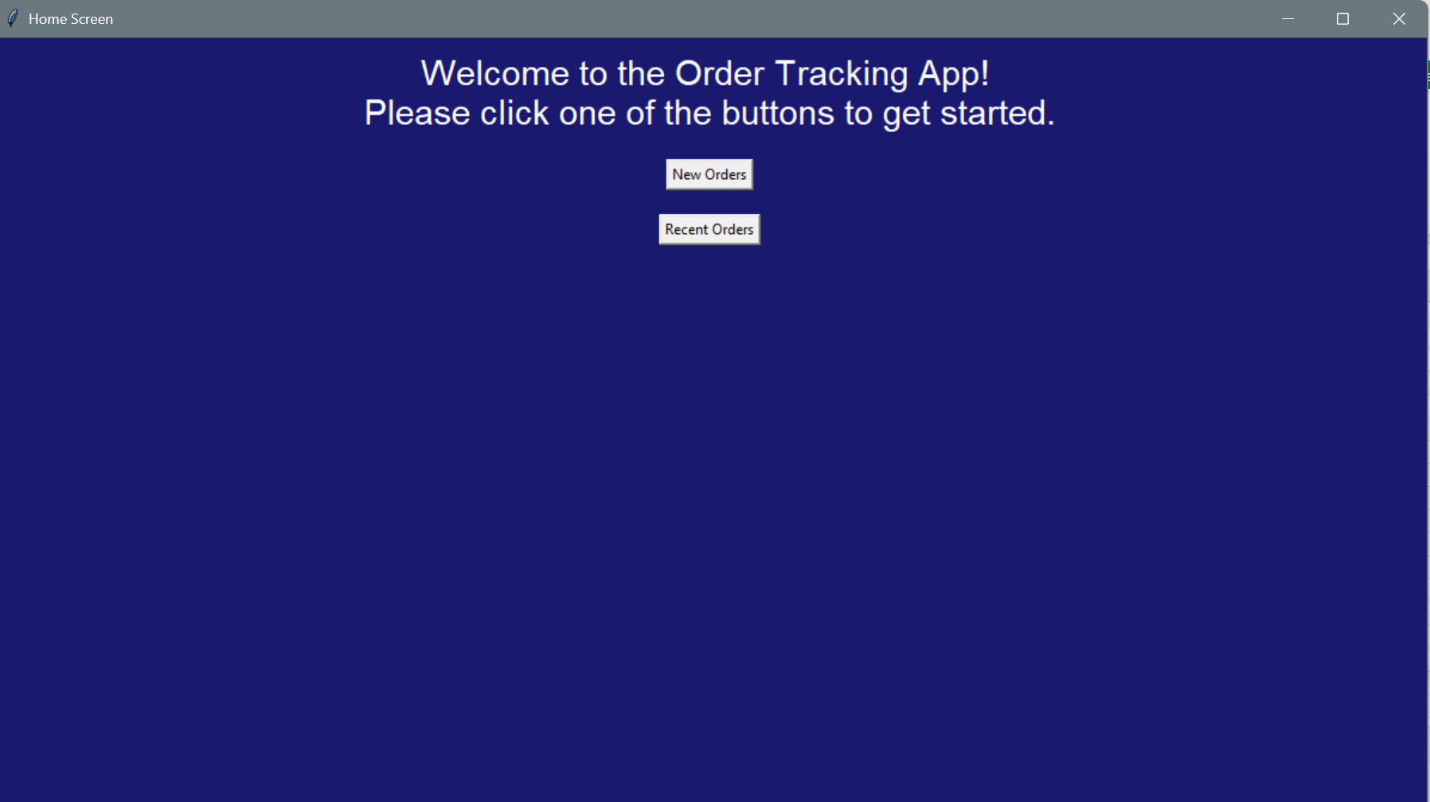
Test Scripts
Home Screen
1. The System will open to a home screen showing 2 buttons. One for "New Orders" and one for "Recent Orders"
 | Pass. The Home Screen shows both buttons.
2. The New orders button opens a data entry screen.
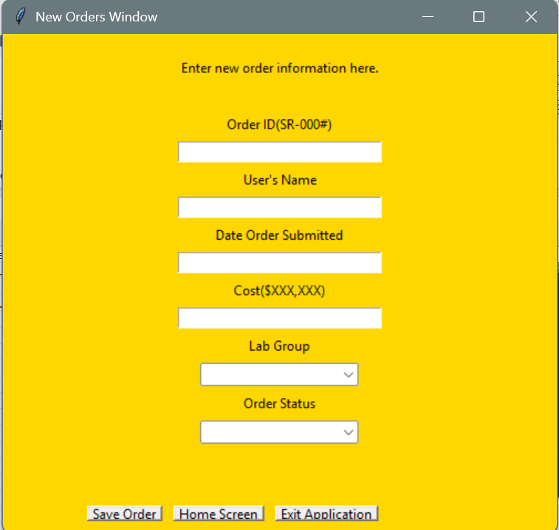
 |  | Pass. The button opens the new orders window.

3. The Recent Orders button opens a window with a display of the 10 most recent orders.
 | Pass. The window opens, as of this test there is no file to view so it does not show anything.
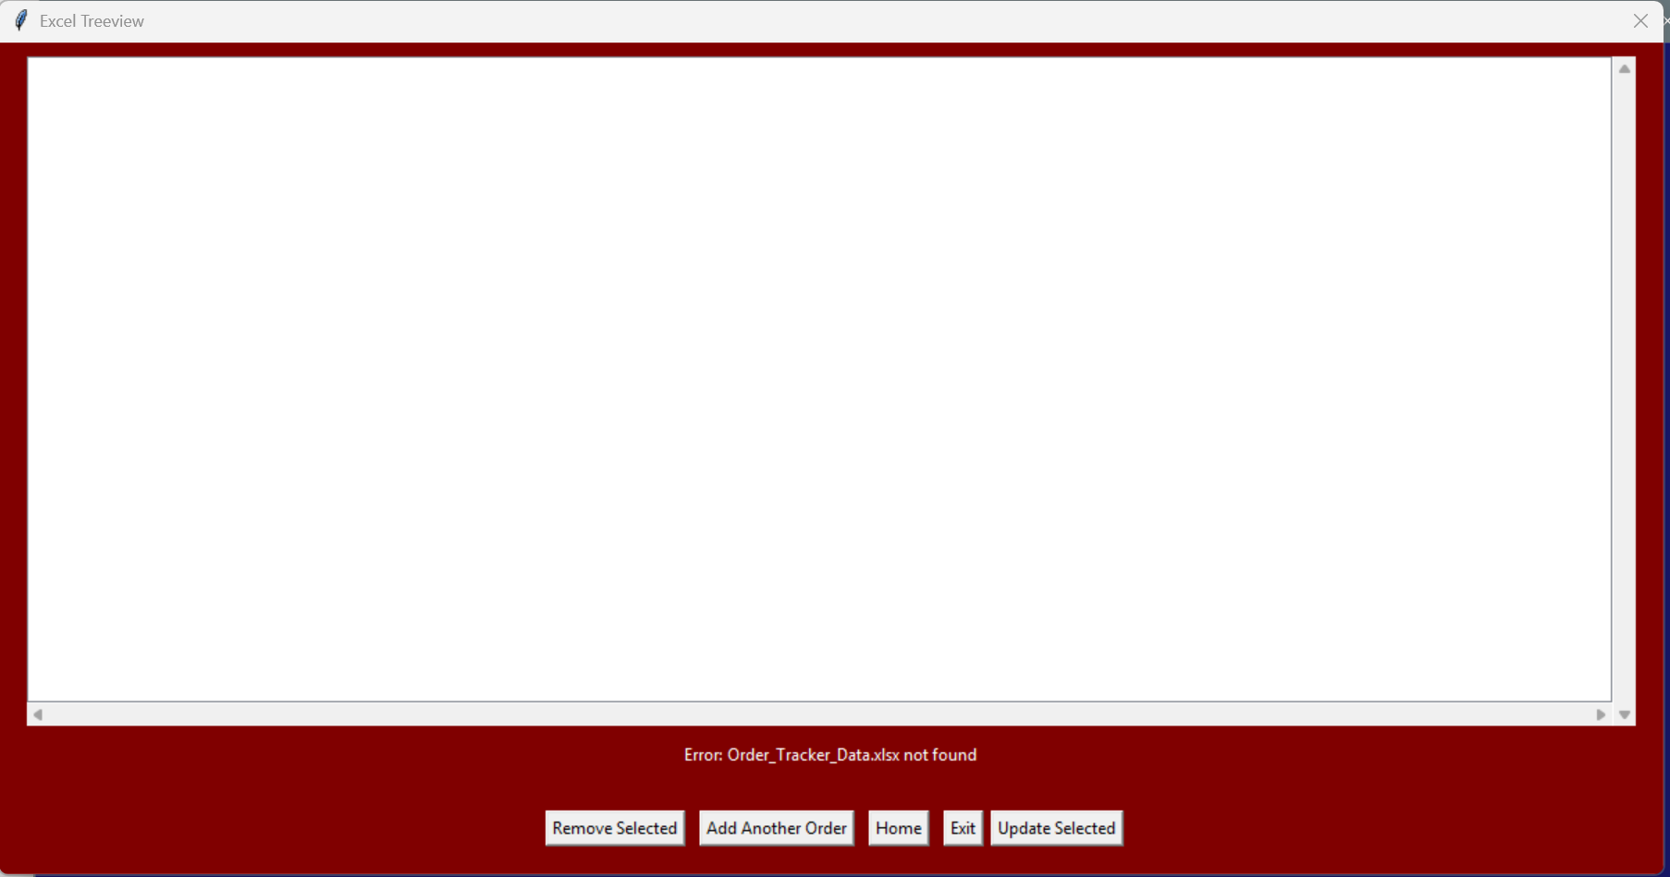

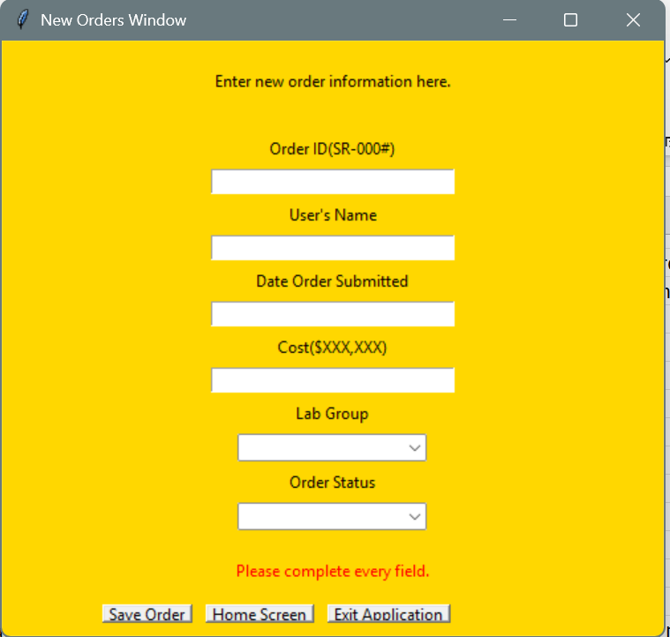
New Orders
4. The data entry screen enforces all inputs are required. Displays error message in red if not.
 | Pass. If lines are missing, "Please complete every field" appears in red at bottom of window above the buttons.
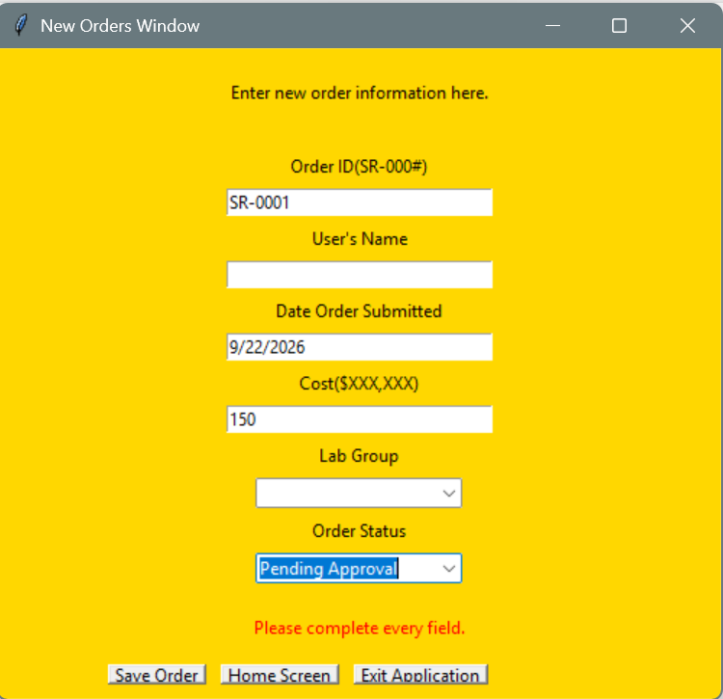

5. Successful orders display a message in green "Order Saved Successfully" and clears entry form for next entry to be added.
 | Pass. Message displayed and fields cleared upon success.
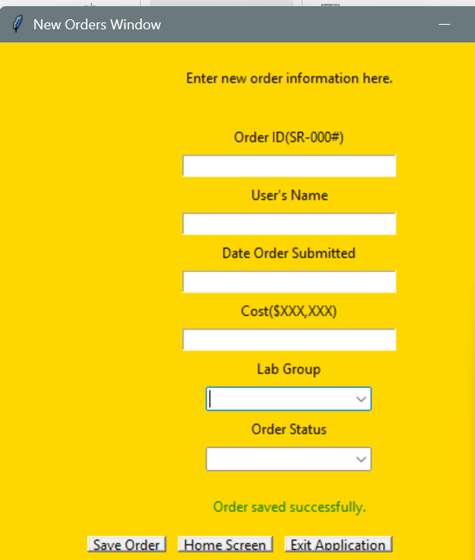

6. Order ID entry enforces format and uniqueness. An error message displays if not unique or doesn't match format.
 | Pass. The system will not allow non-unique and non-format matching Order IDs to be entered. An error message does appear.
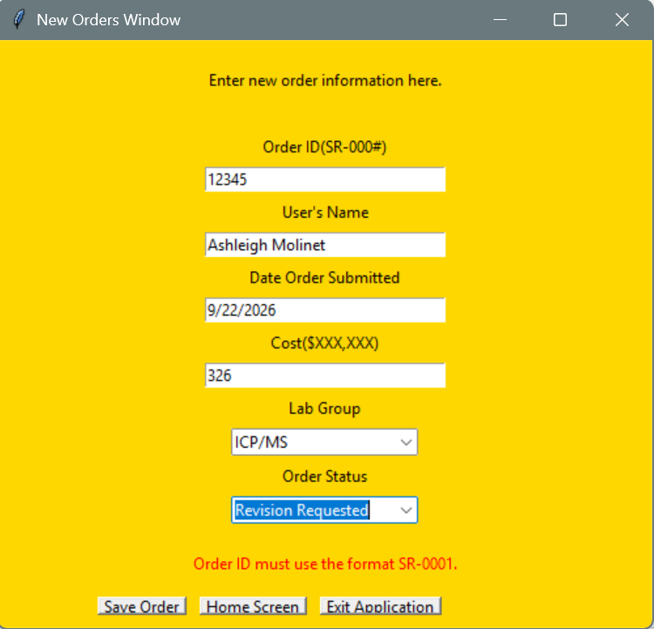
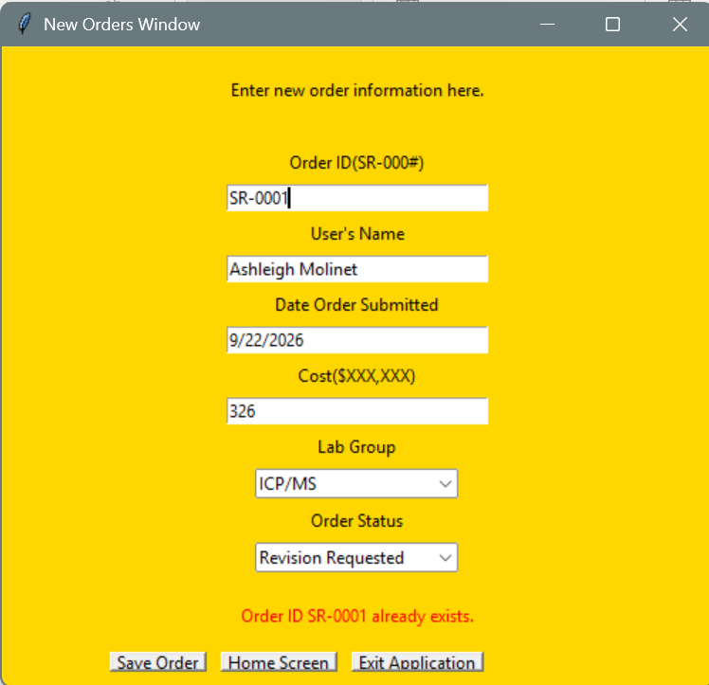

Bug found:
During testing found that when you get to 2-digit orders, the formatting breaks.
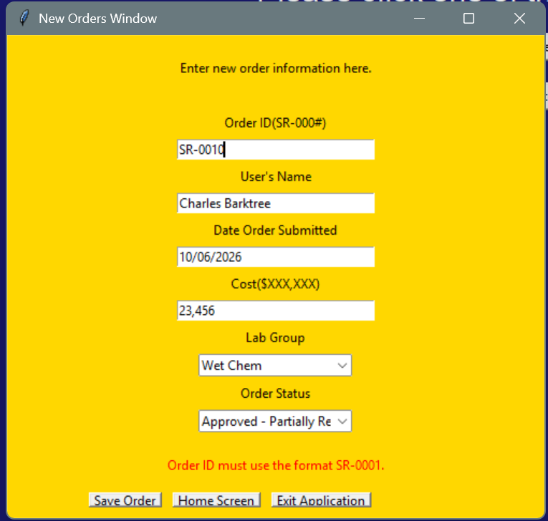
 |  |  | Fix:
 |  |  | Update mating from "SR-\d{4}" to SR-000\d{+}"

Recent Orders
7. Screen shows 10 most recently added orders.
 | Pass, the screen show the 10 mostrecently added rows to the excell sheet.
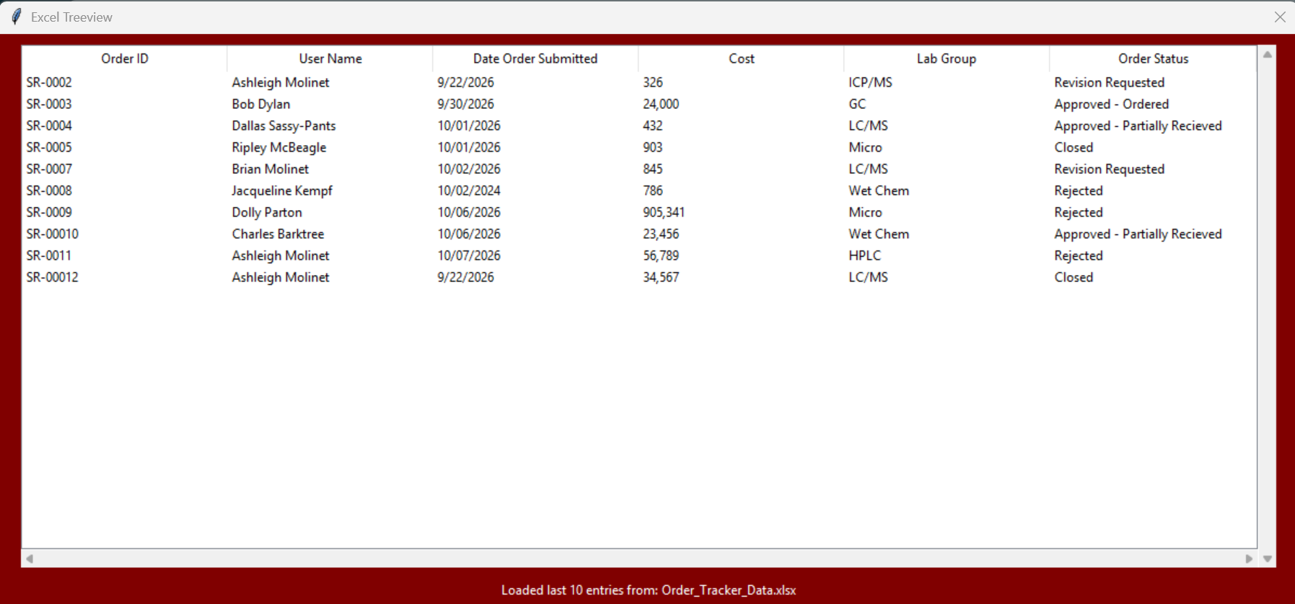

8. Highlighting an order and clicking "Remove Selected" pops up a warning message and allows you to remove the line after confirmation.
 | Pass, system confirms that you wish to delete the selected line before doing so.
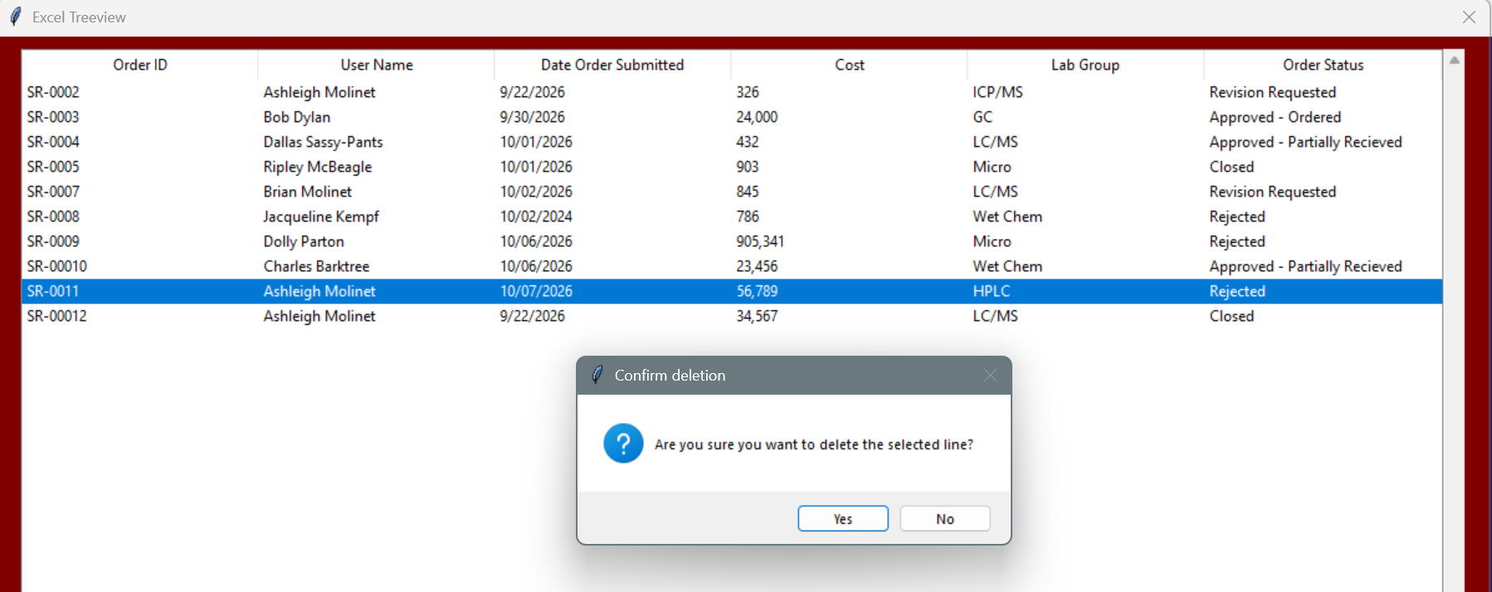

9. The screen updates and confirms the line was deleted.
 | Pass, the screen updated and a message was displayed confirming it was successfully removed.
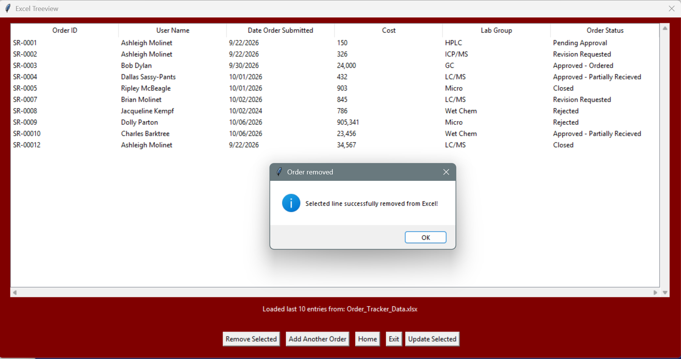

Update An Order
10. Selecting an order and clicking "Update Selected" opens a new update window with the select information populated in the fields.
 | Pass, a new window opens and all fields except for "Modified by" are populated.
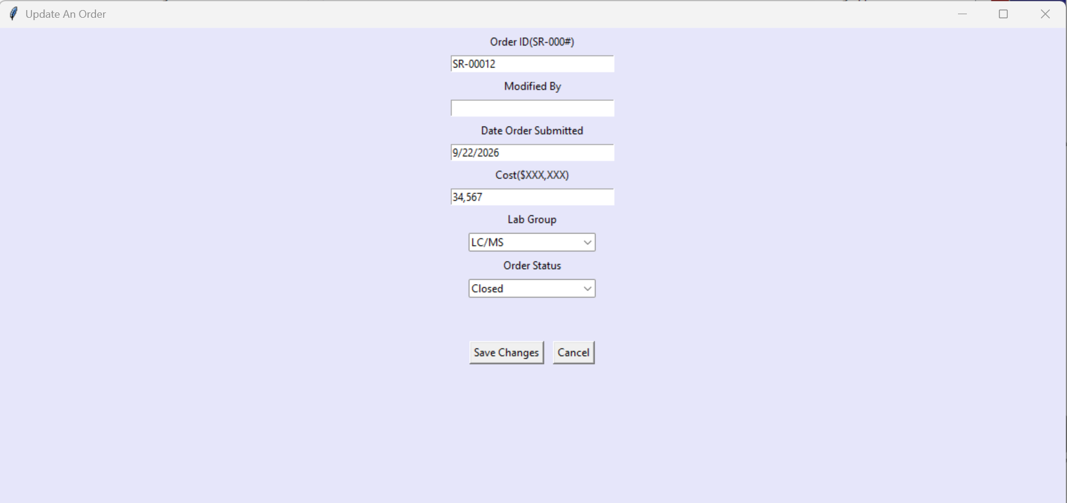

11. Update screen will not allow user to change order ID.
 | Pass, when order ID was changed and "Save Changes" was clicked, an error message appeared.
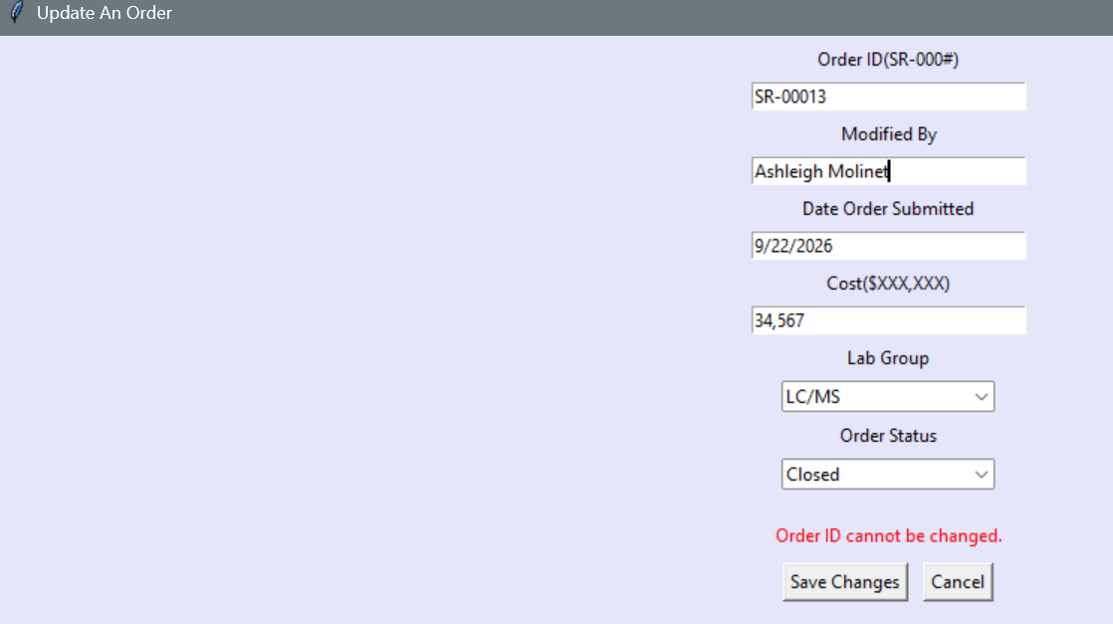

12. When an order update is accepted, the screen closes and the Recent Orders screen is updated to show the updated fields. The columns Modified By" and "Date Modified" appear. "Date Modified" autopopulates with a timestamp.
 | Pass, updated the "Date Order Submitted" column and saved. Screen updated and Modified By and Date Modified appeared.

